サンプル製品カタログ
PARACHUTE PANTS(SAMPLE) | C/#GRAY | PANTS SASMPLE | 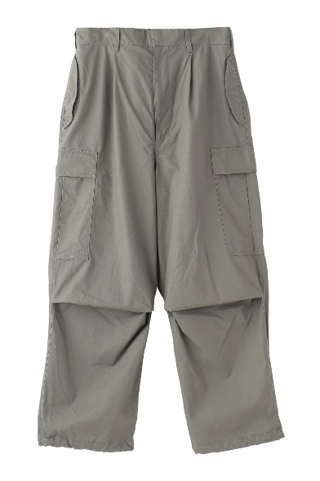 | COTTON 100% | No.9
OPEN COLLAR PRINT SHIRTS(SAMPLE) | C/#WHITE | SHIRT SAMPLE | 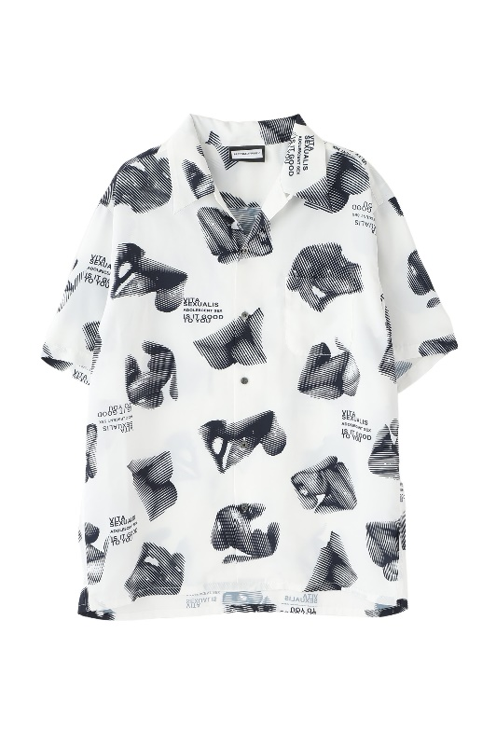 | POLYESTER100% | No.9

